Sheet1
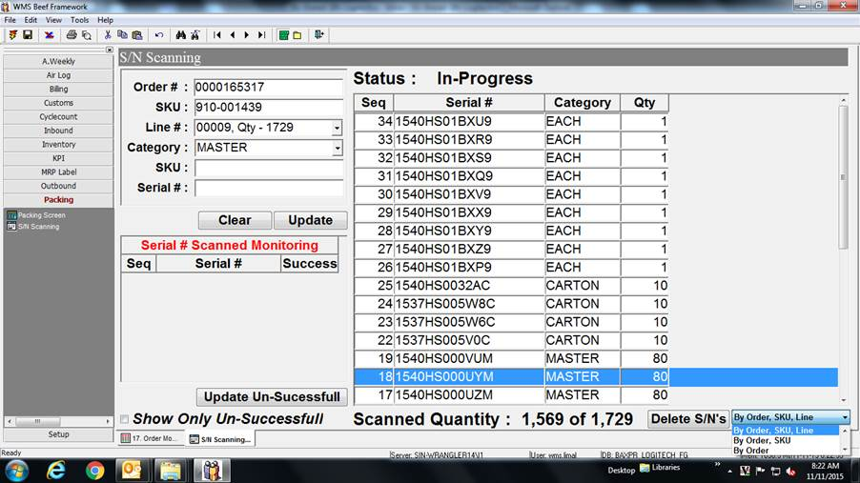

Insert 1 additional function key
By individual Line

